Bug Report
ID | B_001 | ID | B_002 | ID | B_003 | ID | B_004 | ID | B_005
Test Case ID | TC_003 | Test Case ID | TC_008 | Test Case ID | TC_017 | Test Case ID | TC_019 | Test Case ID | TC_022
Title | Traniee Can't change The Type Of The Currency of the product From The 'Select a Currency' option | Title | Hot Item Product could not be Navigate To by it photo or title | Title | The trainee can not Navigate to The Filtered products by Price | Title | Added Products Details In Shopping Cart Viewed with unreadable symbols | Title | Sign In Button overlaps The Footer
Description | The page Crashed When Traniee Try to change The Type Of The Currency of the product From The 'Select a Currency' option | Description | When trainee click on photo or title of Hot Item Product The Page Reload To Page Without displaying and product | Description | When Traniee Click on fillterd range The page Reloaed In the Same Page | Description | When Hover On Shopping Cart Option Cart Details The Added Products Viewed with unreadable symbols | Description | Your Account Section in widget-area Contained An Email Text Box And Password Text Box With Sgin In Button But Sign In Button overlaps The Footer
Steps | 1- Go To https://academybugs.com/store/ 2- Navigate to Select a Currency section in The Right Side Of The Page 3- Select Another Currency | Steps | 1- Go To https://academybugs.com/store/ 2- Navigate to Hot Item section in The Right Side Of The Page 3- Click on product photo or title | Steps | 1- Go To https://academybugs.com/store/ 2- Open Any Product 3- Navigate to Filter by Price section in The Right Side Of The Page 4- Click On Any Range | Steps | 1- Go To https://academybugs.com/store/ 2- Navigate to Shopping Cart section in The Right Side Of The Page 3- Hover on Shopping Cart Option | Steps | 1- Go To https://academybugs.com/store/ 2- Navigate to Your Account section in The Right Side Of The Page
Expected Results | Product Price Will Change depending on EUR Currency | Expected Results | traniee Will Be Navigate To The Product | Expected Results | When Click On The Filtered Range The page Will Reload With The Filtered Products | Expected Results | When hovering On Shopping Cart Option, Cart A Floating Blue Box Will appear with SUBTOTAL Price , a white Checkout button, And Added Products With their quantity | Expected Results | Your Account section Will Contain An Email Text Box And Password Text Box With Sgin In Button
Actual Result | The Page Crached After Selected Any Currency | Actual Result | The page Reload And The Product does not displaying | Actual Result | When Clicked On The Filtered Range, The page Reloaded in the Same Page | Actual Result | When hovered On Shopping Cart Option, Cart A Floating Blue Box appeared with SUBTOTAL Price , a white Checkout button, And Added Products With their quantity But with unreadable symbols | Actual Result | Your Account section Contained An Email Text Box And Password Text Box With Sgin In Button But Sign In Button overlaps The Footer
Environment | Microsoft Edge V.97 | Environment | Microsoft Edge V.97 | Environment | Microsoft Edge V.97 | Environment | Microsoft Edge V.97 | Environment | Microsoft Edge V.97
Attachments | 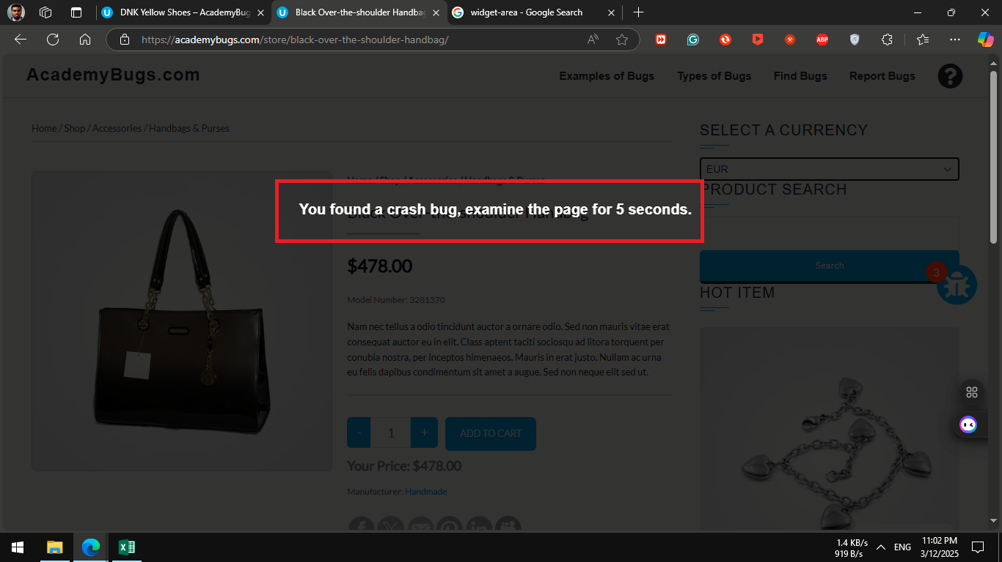 | Attachments | 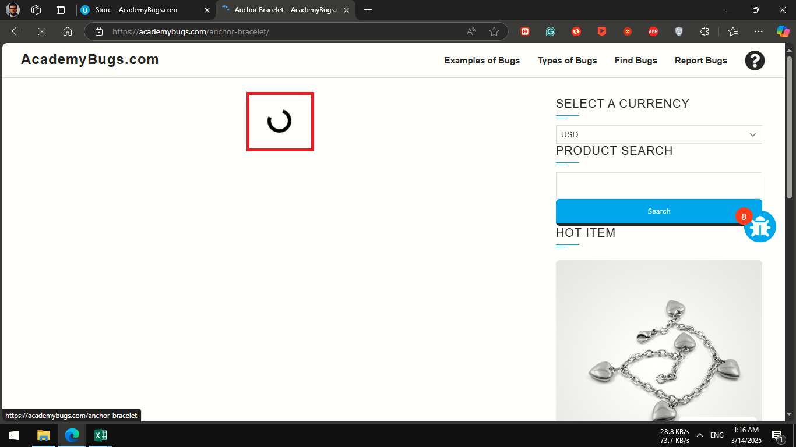 | Attachments | 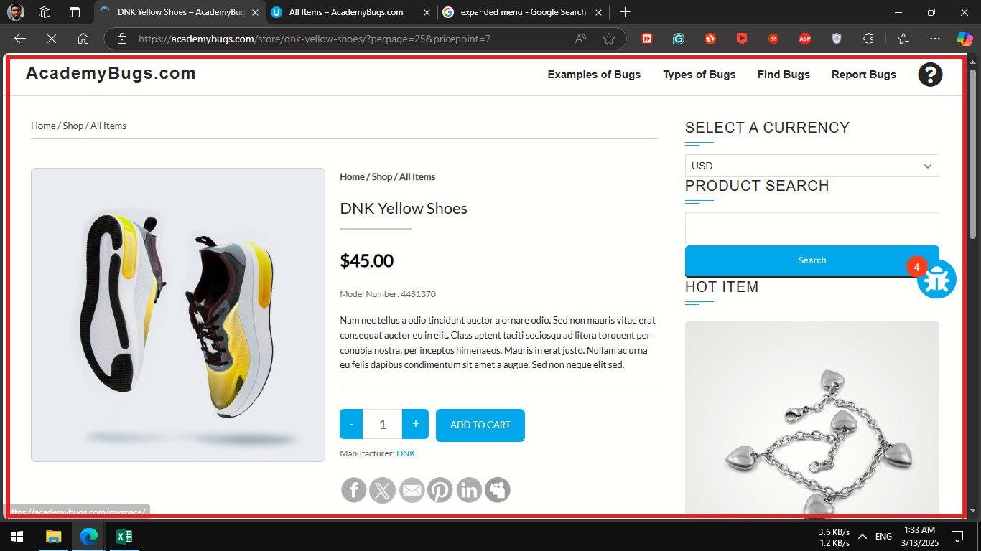 | Attachments | 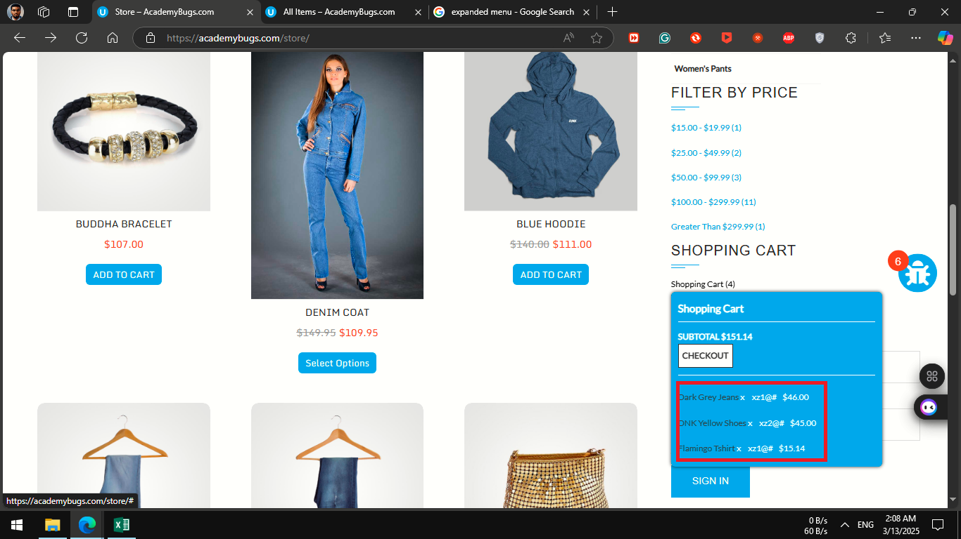 | Attachments | 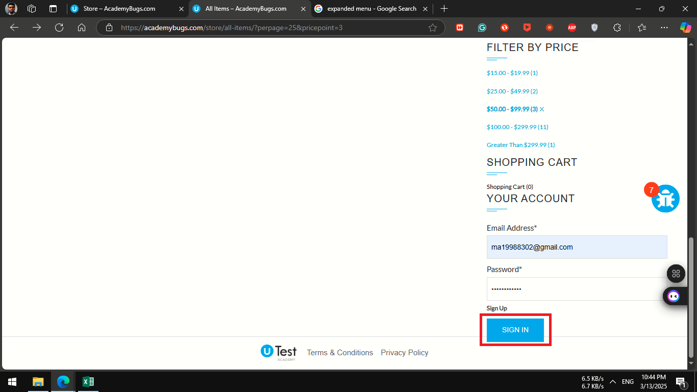
severity | Critical | severity | high | severity | Critical | severity | low | severity | low
Priority | Critical | Priority | High | Priority | Critical | Priority | low | Priority | low
Frequency | Every Time | Frequency | Every Time | Frequency | Every Time | Frequency | Every Time | Frequency | Every Time
Type | Crash | Type | Performance | Type | Functional | Type | Content | Type | visual

